光环
聚类序号 | 图像位置 | 图像
光环\0_0 | D:\Python_Pg\Image_Classifier\effect\effect\element\model\track\daoguang10_5567.tga
 | D:\Python_Pg\Image_Classifier\Trainer_Data\光环\daoguang06_5567.tga

光环\1_0 | D:\Python_Pg\Image_Classifier\effect\effect\element\model\track\daoguang_20.tga
 | D:\Python_Pg\Image_Classifier\Trainer_Data\光环\daoguang07_5567.tga

光环\2_0 | D:\Python_Pg\Image_Classifier\effect\effect\element\model\track\qudong_4309_6214830.tga
 | D:\Python_Pg\Image_Classifier\Trainer_Data\光环\daoguang03_5567_ml.tga

光环\3_0 | D:\Python_Pg\Image_Classifier\effect\effect\element\model\track\daoguang04_5567.tga
 | D:\Python_Pg\Image_Classifier\effect\effect\element\model\track\daoguang05_5567.tga
 | D:\Python_Pg\Image_Classifier\effect\effect\element\model\track\daoguang17_5567_ml.tga
 | D:\Python_Pg\Image_Classifier\effect\effect\element\model\track\daoguang_19_glow_01.tga
 | D:\Python_Pg\Image_Classifier\effect\effect\element\model\track\daoguang_19_glow_02.tga
 | D:\Python_Pg\Image_Classifier\effect\effect\tex\daoguang03_5567.tga
 | D:\Python_Pg\Image_Classifier\Trainer_Data\光环\daoguang02_5567.tga

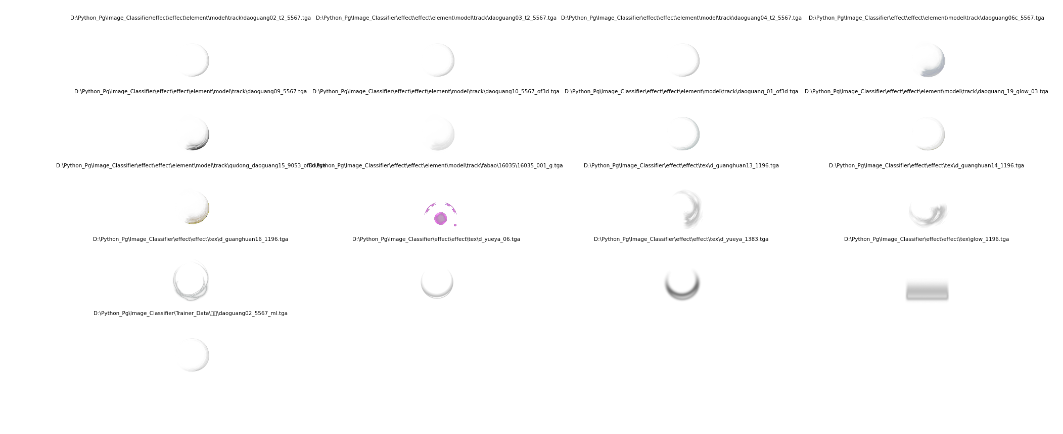
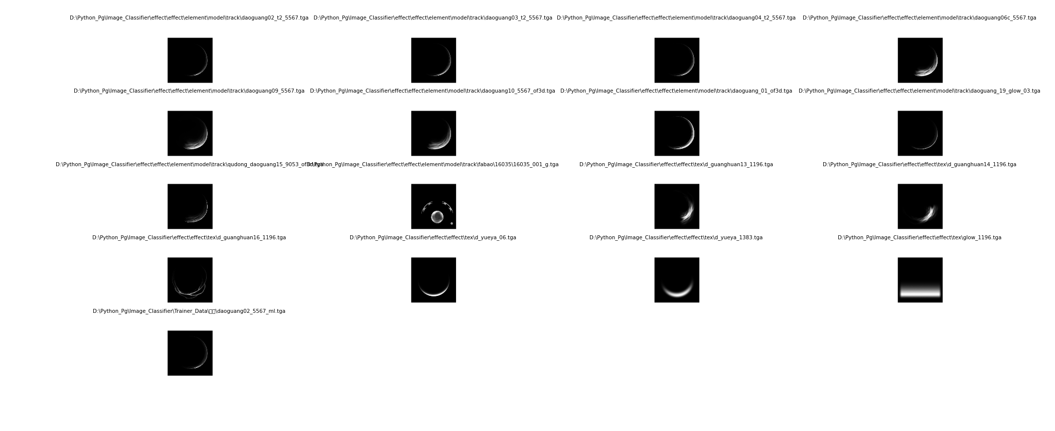
光环\4_0 | D:\Python_Pg\Image_Classifier\effect\effect\element\model\track\daoguang02_t2_5567.tga
 | D:\Python_Pg\Image_Classifier\effect\effect\element\model\track\daoguang03_t2_5567.tga
 | D:\Python_Pg\Image_Classifier\effect\effect\element\model\track\daoguang04_t2_5567.tga
 | D:\Python_Pg\Image_Classifier\effect\effect\element\model\track\daoguang06c_5567.tga
 | D:\Python_Pg\Image_Classifier\effect\effect\element\model\track\daoguang09_5567.tga
 | D:\Python_Pg\Image_Classifier\effect\effect\element\model\track\daoguang10_5567_of3d.tga
 | D:\Python_Pg\Image_Classifier\effect\effect\element\model\track\daoguang_01_of3d.tga
 | D:\Python_Pg\Image_Classifier\effect\effect\element\model\track\daoguang_19_glow_03.tga
 | D:\Python_Pg\Image_Classifier\effect\effect\element\model\track\qudong_daoguang15_9053_of3d.tga
 | D:\Python_Pg\Image_Classifier\effect\effect\element\model\track\fabao\16035\16035_001_g.tga
 | D:\Python_Pg\Image_Classifier\effect\effect\tex\d_guanghuan13_1196.tga
 | D:\Python_Pg\Image_Classifier\effect\effect\tex\d_guanghuan14_1196.tga
 | D:\Python_Pg\Image_Classifier\effect\effect\tex\d_guanghuan16_1196.tga
 | D:\Python_Pg\Image_Classifier\effect\effect\tex\d_yueya_06.tga
 | D:\Python_Pg\Image_Classifier\effect\effect\tex\d_yueya_1383.tga
 | D:\Python_Pg\Image_Classifier\effect\effect\tex\glow_1196.tga
 | D:\Python_Pg\Image_Classifier\Trainer_Data\光环\daoguang02_5567_ml.tga

光环\5_0 | D:\Python_Pg\Image_Classifier\effect\effect\tex\lk_daoguang.tga
 | D:\Python_Pg\Image_Classifier\effect\effect\tex\m_daogauang.tga
 | D:\Python_Pg\Image_Classifier\Trainer_Data\光环\16014_daoguang_01.tga

均匀图像
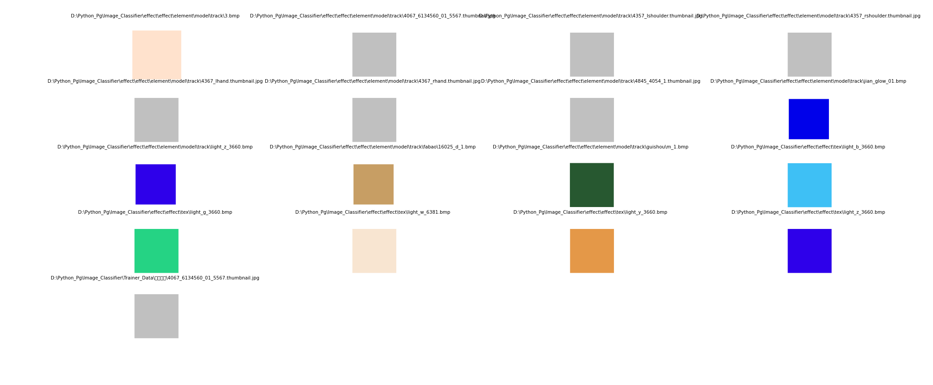
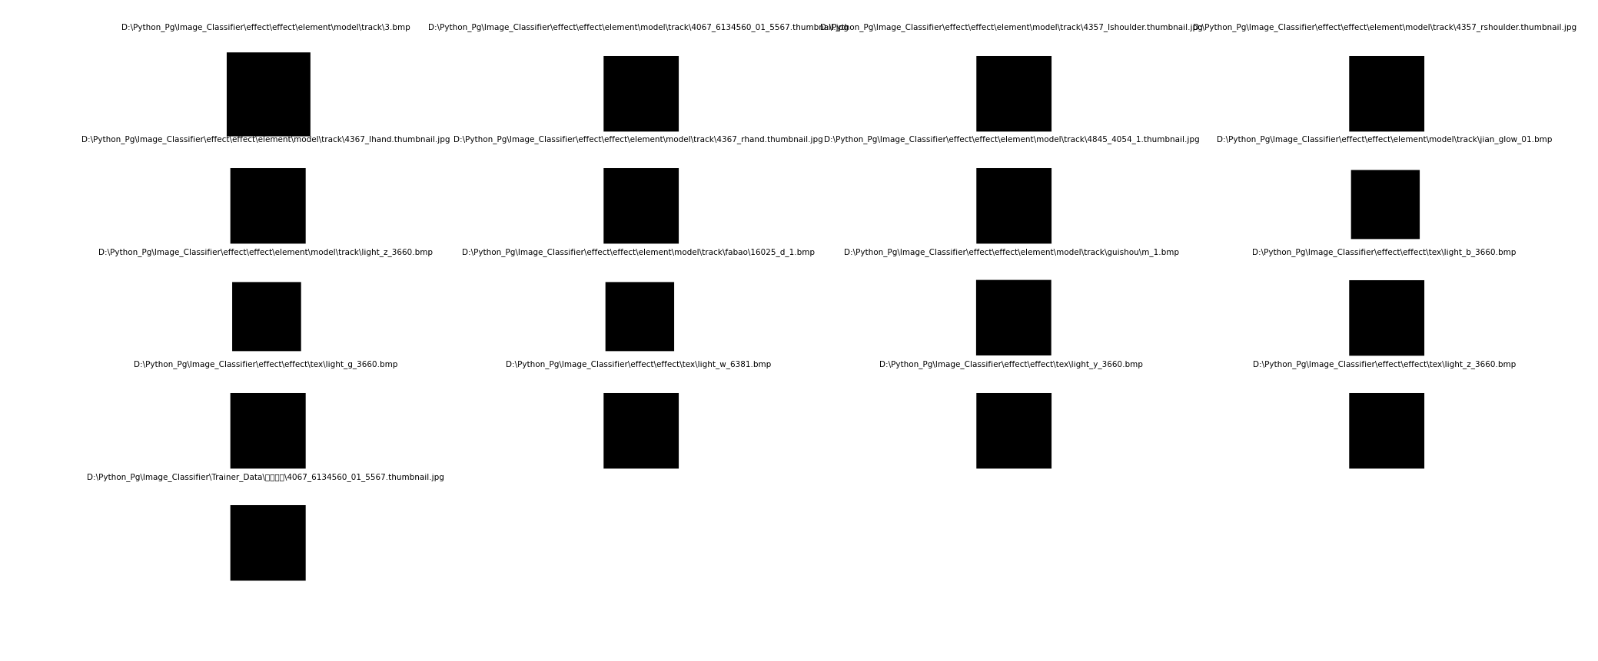
聚类序号 | 图像位置 | 图像
均匀图像\0_0 | D:\Python_Pg\Image_Classifier\effect\effect\element\model\track\3.bmp
 | D:\Python_Pg\Image_Classifier\effect\effect\element\model\track\4067_6134560_01_5567.thumbnail.jpg
 | D:\Python_Pg\Image_Classifier\effect\effect\element\model\track\4357_lshoulder.thumbnail.jpg
 | D:\Python_Pg\Image_Classifier\effect\effect\element\model\track\4357_rshoulder.thumbnail.jpg
 | D:\Python_Pg\Image_Classifier\effect\effect\element\model\track\4367_lhand.thumbnail.jpg
 | D:\Python_Pg\Image_Classifier\effect\effect\element\model\track\4367_rhand.thumbnail.jpg
 | D:\Python_Pg\Image_Classifier\effect\effect\element\model\track\4845_4054_1.thumbnail.jpg
 | D:\Python_Pg\Image_Classifier\effect\effect\element\model\track\jian_glow_01.bmp
 | D:\Python_Pg\Image_Classifier\effect\effect\element\model\track\light_z_3660.bmp
 | D:\Python_Pg\Image_Classifier\effect\effect\element\model\track\fabao\16025_d_1.bmp
 | D:\Python_Pg\Image_Classifier\effect\effect\element\model\track\guishou\m_1.bmp
 | D:\Python_Pg\Image_Classifier\effect\effect\tex\light_b_3660.bmp
 | D:\Python_Pg\Image_Classifier\effect\effect\tex\light_g_3660.bmp
 | D:\Python_Pg\Image_Classifier\effect\effect\tex\light_w_6381.bmp
 | D:\Python_Pg\Image_Classifier\effect\effect\tex\light_y_3660.bmp
 | D:\Python_Pg\Image_Classifier\effect\effect\tex\light_z_3660.bmp
 | D:\Python_Pg\Image_Classifier\Trainer_Data\均匀图像\4067_6134560_01_5567.thumbnail.jpg

水
聚类序号 | 图像位置 | 图像
水\0_0 | D:\Python_Pg\Image_Classifier\effect\effect\tex\water_1\water1_0023.bmp
 | D:\Python_Pg\Image_Classifier\Trainer_Data\水\water1_0022.bmp
 | D:\Python_Pg\Image_Classifier\effect\effect\tex\water_1\water1_0024.bmp
 | D:\Python_Pg\Image_Classifier\effect\effect\tex\water_1\water1_0025.bmp
 | D:\Python_Pg\Image_Classifier\effect\effect\tex\water_1\water1_0026.bmp
 | D:\Python_Pg\Image_Classifier\effect\effect\tex\water_1\water1_0027.bmp
 | D:\Python_Pg\Image_Classifier\effect\effect\tex\water_1\water1_0028.bmp
 | D:\Python_Pg\Image_Classifier\effect\effect\tex\water_1\water1_0000.bmp
 | D:\Python_Pg\Image_Classifier\effect\effect\tex\water_1\water1_0029.bmp

水\1_0 | D:\Python_Pg\Image_Classifier\effect\effect\tex\water_1\water1_0008.bmp
 | D:\Python_Pg\Image_Classifier\Trainer_Data\水\water1_0007.bmp
 | D:\Python_Pg\Image_Classifier\effect\effect\tex\water_1\water1_0005.bmp
 | D:\Python_Pg\Image_Classifier\effect\effect\tex\water_1\water1_0006.bmp
 | D:\Python_Pg\Image_Classifier\effect\effect\tex\water_1\water1_0003.bmp
 | D:\Python_Pg\Image_Classifier\effect\effect\tex\water_1\water1_0004.bmp
 | D:\Python_Pg\Image_Classifier\effect\effect\tex\water_1\water1_0001.bmp
 | D:\Python_Pg\Image_Classifier\effect\effect\tex\water_1\water1_0002.bmp

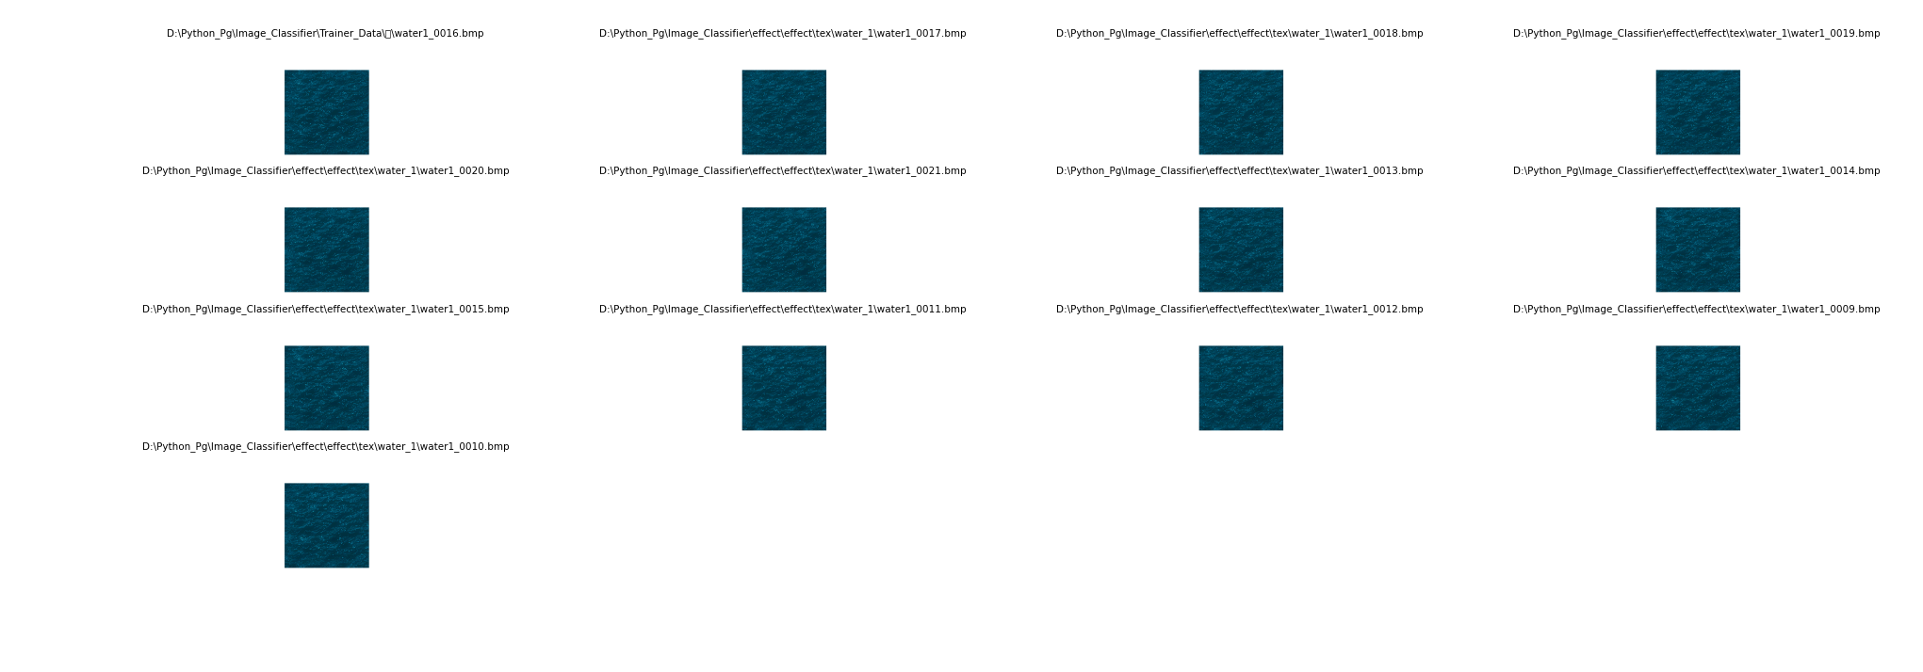
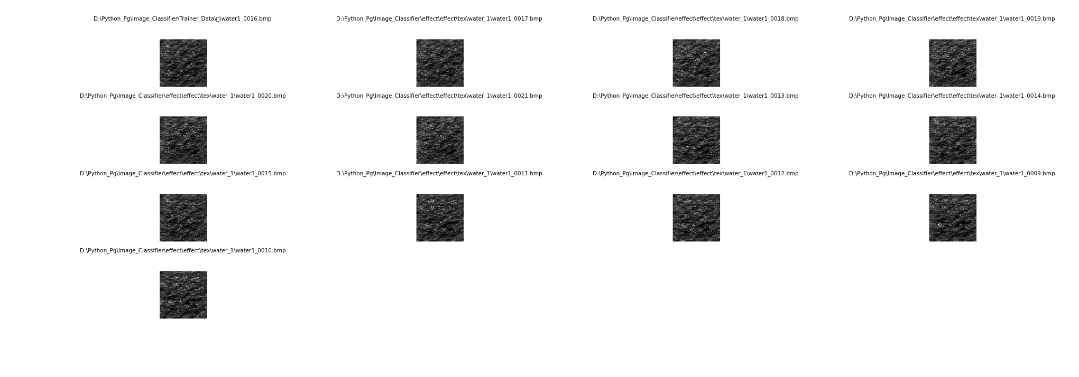
水\2_0 | D:\Python_Pg\Image_Classifier\Trainer_Data\水\water1_0016.bmp
 | D:\Python_Pg\Image_Classifier\effect\effect\tex\water_1\water1_0017.bmp
 | D:\Python_Pg\Image_Classifier\effect\effect\tex\water_1\water1_0018.bmp
 | D:\Python_Pg\Image_Classifier\effect\effect\tex\water_1\water1_0019.bmp
 | D:\Python_Pg\Image_Classifier\effect\effect\tex\water_1\water1_0020.bmp
 | D:\Python_Pg\Image_Classifier\effect\effect\tex\water_1\water1_0021.bmp
 | D:\Python_Pg\Image_Classifier\effect\effect\tex\water_1\water1_0013.bmp
 | D:\Python_Pg\Image_Classifier\effect\effect\tex\water_1\water1_0014.bmp
 | D:\Python_Pg\Image_Classifier\effect\effect\tex\water_1\water1_0015.bmp
 | D:\Python_Pg\Image_Classifier\effect\effect\tex\water_1\water1_0011.bmp
 | D:\Python_Pg\Image_Classifier\effect\effect\tex\water_1\water1_0012.bmp
 | D:\Python_Pg\Image_Classifier\effect\effect\tex\water_1\water1_0009.bmp
 | D:\Python_Pg\Image_Classifier\effect\effect\tex\water_1\water1_0010.bmp

